Notes
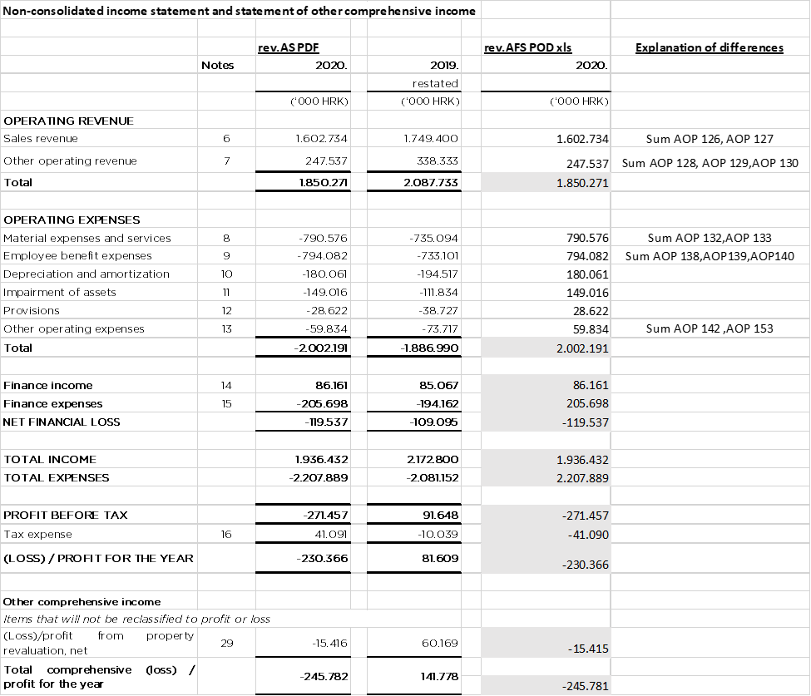 NOTES TO THE ANNUAL FINANCIAL STATEMENTS - GFI Name of issuer: ZAGREBAČKI HOLDING d.o.o. Personal identification number (OIB): 85584865987 Reporting period: 01.01.2020. - 31.12.2020. Sort of report: Non-consolidated Average number of employees in 2020: 5,304 An explanation of business events and more detailed notes to the financial statements prepared in accordance with the provisions of International Financial Reporting Standards (hereinafter: IFRS) are published in the pdf of audited annual reports published on the company's website https://www.zgh.hr/investitori/financijska -report / 10887 and the website of the Zagreb Stock Exchange. Below is an overview of the differences arising from the differences between the standard AFS POD forms in relation to the requirements for disclosures in accordance with IFRS between the revised AFS in pdf format in relation to the AFS POD forms from Excel:

